Table 3
8
MAN
To 01her Apes
CHIMP. GIBBON, ORANG. SIAMANG
To Olher Old World Monkeys MACAOUES,VERVET.BABOON
To ou,e-rProsimlans
LEMUR. BUSH BABIES. SLOW LORIS, TARSIER
TREE SHREW
To Oll"ler Placenlal Orders
-
.E
"E
I
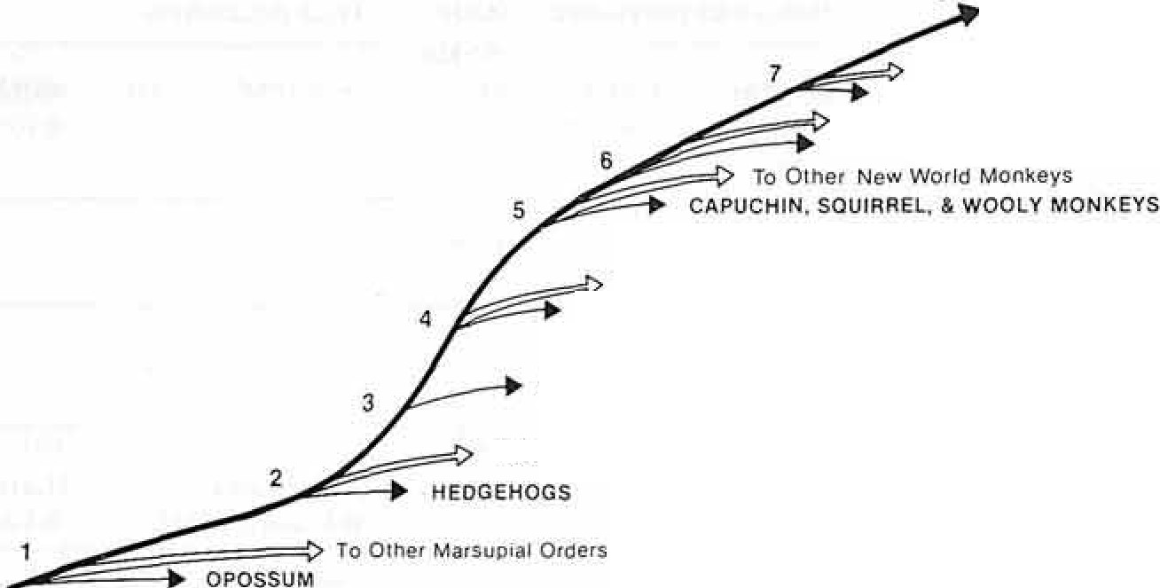 >, ·;:: CCI c75 ro -o - C oi·- _Q 0 CCI :5 :E zQ) .c . 0 Q) ,Q.._) Ol Q) Cl
100 90 K | 80 70 60 p | 50 40 30 E I O I |  | 20 10 0 M I P I
Time (Millions Of Years Ago)
Fig. I. Phylogenetic relationship bm>1een sorne living mammals and inferred mammals in man's ancestral lineage. The numbers I through S representing successive branchpoints and thus relative propinquity, indicate degree of neurological similarity with man kind and are used in the correlations to represent phyletic level.
Spider monkeys were also eliminated due to their de­ generate thumbs [Napier and Napier. 1967). Finally, hedgehogs were retained in the sample (even though they have lost the more dexterous convergence of di­ gits possessed by some Marsupials and some other lnsectivora) because they are the least specialized of the lnsectivora on which data are available. These successive selections of Che most appropri­ ate representatives culminated in the approximation of a pre-Eutherian grade with one species (Virginia opossums), a ground-dwelling Insectivore grade with two species (European and Pakistani hedgehogs) a tree-dwelling Insectivore grade with one species (tree shrew), a Prosimian grade with four species (large­ tailed and Senegalese bushbabies, ring-tailed lemur and slow loris), a new world Simian grade with three species (squirrel, wooley and Cebus monkeys), an old world Simian grade with three species (two ma- |  |  | caques and a baboon), a Pongid grade with four spe­ cies (gibbon, chimp. orang, and siamang), and final­ ly, the Hominid grade with one species. Formal names and the relevant data for each species are giv­ en in table I. Derivation of Numerical Parametel's Digirn/ Dexterity Scale. A method for ranking di­ gital dexterity in a wide range of mammals has been described previously [Heffner and Master/on. 1975). ft is based primarily on Napier's analysis of hand anatomy and the hand's normal use [Napier and Na­ pier, 1967]. A rank (from I to 7) has been assigned ac­ cording to an animal's relative ability to make skilled and independent movements of its digits. The mean­ ings of the ranks are given in table 11. It should be noted that anatomical features of the hand are an im­ portant consideration in the ranking despite the fact

Table 5
Evolution of the Corticospina\ Tract and Dexterity
169
Termination parameters

 | average fiber size | largest fiber size | extension down | spinal lamina receiving synapses
 | ,um | ,um | spinal cord
 |  |  | (rank) | ven.tralmost densest
 |  |  | 8 [Ferrer, 1971] | 9 6 [ Ferrer, 197 I] [Ferrer, 1971I
 |  | 2.5 | 9 | 9 6
 |  | [ Verhaart, 1966) | [Goode and Hai11es, | [ Goode a11d Hai11es, [Goode and Hai11es.
 |  |  | 1975] | \975] 1975]
 |  |  | 9 | 10 6
 |  |  | [Peiras. 1968) | [ Perras. 1968] [ Pe1ras. 1968]
 | 1.09 | 12 | 8 | 10 6
 |  | [Verhaart, 1970b] | [Petras. 1968] | [Petras. 1969] [ Perras, 1968]
 |  |  | I
 |  |  | [Verhaart, 1970b]
 |  |  | I
 |  |  | [RoBa,·ds,
 |  |  | pers. cornmun.]
 |  | 3 | 7
 |  | [ Ver/wart. 1966] | [ Verhaarr. 1966)
 | 1.03 | 22 | 9
 |  | [Trnexand | [Trnex and
 |  | Carpenter. 1969) | Carpen/er, 1969)
 |  |  | 9 | 10 6
 |  |  | [Petras. 1968] | [Pe1ras, 1969] [ Pelras. 1968]
 |  |  | 9 | 10 6
 |  |  | [Pe1ras. 1968] | [Petras, 1969] [Peiras, 1968]
 |  |  | 9 | 10 6
 |  |  | [Pe1ras. \968] | [ Pe1ras. 1968] [Pe1ras, 1968)
 | 0.60
 | 0.72 |  | 9 | 10 6
 |  |  | [Perras. 1968) | [ Petras. 1969] [Pe1ras. 1968]
 |  |  |  | JO
 |  |  |  | \Phillips. 1967]
 |  | 8 | 8 | 9 6
 |  | [Verhaarl, 1970b] | [ Verhaarl, 1966] | [Harting and [Harling and
 |  |  |  | Noback. 1970] Noback. 1970)
 | 0.45 |  | 3 | 8 5
 |  |  | [Bauris1a and | [Manin and Fisher, [Marrin and Fisher.
 |  |  | Matzke. 1965) | 1968] 1968]

Table 7
average fiber size largest fiber size ,um ,um |  | Termination parameters
 |  | extension down spinal cord (rank) |  |  |  | spinal lamina receiving synapses
 |  |  |  |  |  | ventral most densest

1.35
 | 4.5 |  | 8 |  |  |  | 10 | 6
 | [ Verhaart. 1970a] |  | [Campbell, 1965] |  |  |  | ICampbell et al., 1966] | [Campbel/et al., 1966]

 | 2 [ Ver/wart, 1966] |  | 5 [Shriver and |  |  |  | 6 [Ja11eet al., 1969] | 5 [Campbell, 1965]
 |  |  | Noback, 1967]
value is used for calculations. Measurement error is introduced by variation in the exact level or the me­ dulla from which the available measure was taken and by the existence of many fibers in the pyramids that do not reach the spinal cord, synapsing instead in the lower medulla, and are thus not true cortico­ spinal fibers. Ex1e11sion of 1he Traci Dow11the Spinal Cord. The most caudal spinal cord segment to which the tract extends is closely related to mammalian dexterity though it is not yet clear why this is so [Lassek, 1954; Heffner and Masrerton. 1975]. For present purposes, the extension of the tract down the spinal cord is as­ signed a rank based on the most caudal segment of the cord known to receive corticospinal terminations and simply indicates the rostral-caudal extent of the spinal cord receiving direct conical innuence. The ranking is arbitrary but systematic, with I indicating upper cervical levels and 9 indicating the coccygeal level. Measurement error is introduced in this scale by the inclusion of data obtained with histological techniques of varying power. For example, in the bushbaby a normal fiber stain showed axons pene­ trating only as far as the lumbar level [ Verhaarr. I 966] but the use of a Fink-Heimer preparation re­ vealed axons extending to coccygeal levels [Goode and Haines, 1975]. Use of autoradiographic tech­ niques similarly improves the ability to visualize |  |  |  | these pathways [cf. Harring and Noback. 1970, and Tigges et al., 1979, on the squirrel monkey]. Where available data from degeneration studies are used rather than data obtained from normal material. However, due to the relative newness of the autoradi­ ographic technique, such data are as yet available on­ ly for one species (squirrel monkey) and are not in­ cluded here. Ve.ntralmost Lamina of Spinal Cord Gray Mal/er Recei1•i11g Direct Corricospi11al Synapses. This mea­ sure is an indirect indication of what functional types of spinal cord elements (sensory neurons, internun­ cial neurons, distal dendrites or somata of motor neurons) receive direct conical input via the cortico­ spinal tract. The rank assigned is the ventralmost lamina (using Rexed's (1954] scheme) in which corti­ cospinal axon terminals have been found. Lower ranks (I to 4) indicate synapses only on neurons in the more dorsal sensory regions, middle ranks (5 to 8) indicate synapses in the central internuncial re­ gions (which include distal dendrites of motor neu­ rons), a rank of 9 indicate.s synapses in the region of motor neurons and their proximal dendrites in lami­ na IX, and a rank of 10 indicates that synapses have been observed on the cell bodies of motor neurons themselves. As can be seen in table I, all mammals studied thus far have corticospinal synapses on sen­ sory and internuncial elements, bu1 relatively few

C
H
;u:
Mm p/
Ge Ca
/Pp Pa
MiCp·HIHs
D
\./
Tg
EP
have synapses on the proximal dendrites (rank 9) or soma ta (rank I 0) of spinal motor neurons. 01her Corricospinal Traci Paramelers. Although their values are also listed in table I, four other par­ ameters of the corticospinal tract will be considered only brieny because each alone was found to be unre­ lated to digital dexterity among a larger sample of mammals. These are: the lamina of spinal cord grny |  |  |  |  | 7 6 -" g_ 5 ?: ,: a, 4 ;.;, 0

Table 9
a
H
P1/
HI
MnyHs
c! ...... i Pa
Ss
\//;/
E
C
e
.,
..
15.0 10.0 x C 10
4.0 _ 1.0 |  | "..' 9 "a.' ,.. 8 "'
.s "' .'t | 0.4 | C, 7 ·C;;: ·w s u a: 5
l
--
.1 .04 .01 |  | 2 3 4 6 8 7 8 Phylelic Level | ·e"C' -"' ' <ii -;;; :">' | 4 3 2 •.......,- .--.--.---.­ 2 3 4 5 6 7 8 Phylellc Level
9
111--....:.
¥ b Gs/Ss-MCp Pt .,. H 8 '0
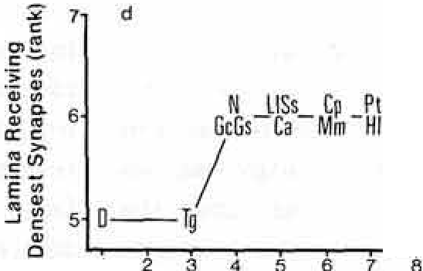
u0 7 HI 6
C
g 3
·.;
4
"ii "' 5 \/
>< l,JJ | 2 EP 2 3 4 5 6 7 8 Phylelic Level |  |  | Phyletic Level
Fig. 3. Relation between phylectic level and four morphological features of the corticospinal tract. Note that each feature shows systematic change with phyletic level and that area, extension down the spinal cord, and vencralmost spinal lamina with terminals each show a reversal at a primitive eutherian grade (2) similar 10 the reversal seen in figure 2. For abbreviations see figure 2.
body size. However, by using partial correlations in which one variable (e.g. body weight) can be held mathematically constant in the correlation between two other variables, it can be shown that the correspondence between digital dexterity and phyletic level is not due to their com­ mon correlation with body weight. That is, the partial correlation between digiial dex- |  |  |  |  | terity and phyletic level, with body weight held constant, is 0.84, whereas the correla­ tion between digital dexterity and body weight with phyletic level held constant is only 0. l 0. Thus, it is reasonably safe to conclude that the increase in digital dex­ terity with phyletic level is not merely a secondary result of the concomitant in­ crease in body size.

Table 12
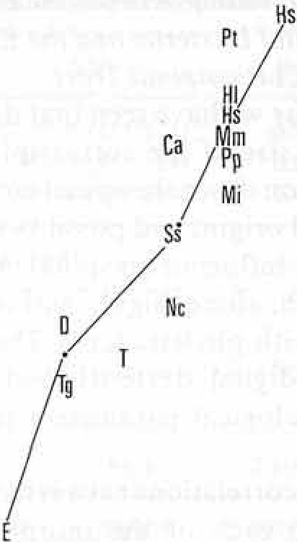
15.0 a
10.0
4,0
 |  |  | x 110 ""'' C"' <I) en C: "i | 9 8 7 6 | C Tg |  |  |  | ·LW·a M CLHIPI .l---'"'p
0.1 |  |  | (J a":' "' | 5
 |  |  | ·Ce: | 4
,04 |  |  | _C!,I | 3
 |  |  | 0 E | 2
. 01,.....,..... | ,.._...,... ,_ ,.._ 2 3 4 5 6 7 |  | .c. | 1 | 2 3 |  |  | 4 | 5 6 7
"C'.
>,
"iii
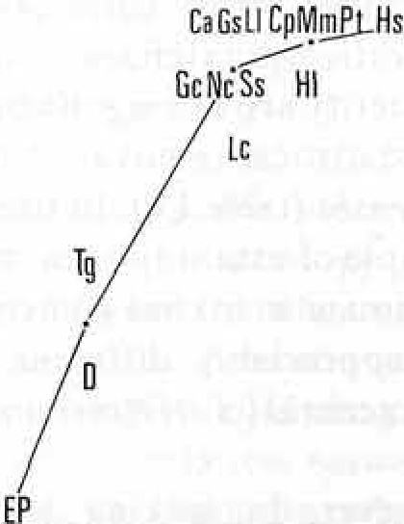
b
> Digital Dexterity (rank) |  |  |  |  |  |  | Digital Dexterity (rank)
:;.- 9 c: 8 "E
CaGcLI_CpHI
/N,s, MmPI
TgO
2
4 5 6 7
0 7 u .; 6 C: "ii. <I) 5 C
4 C
2
g 3 "iii 2 >< w |  | 2 3 4 5 6 7 Digital Dexterity (rank) |  |  |  | Digital Dexterity (rank)
Fig. 4. Relation between digital dexterity and four morphological features of the corlicospinal tract. Note similarity to corresponding parts of figure 3. For abbreviations see figure 2.
possible successive contributions of the corticospinal tract to digital dexterity. Influence of Increases in Tract Size. The size of the corticospinal tract corresponds approximately to the number and size of the fibers of which it is composed though neither number nor fiber size alone is pres­ ently correlated reliably with dexterity |  |  |  |  |  | (possibly due to inaccurate counts and un­ available data for many species). Never­ theless, the size of the pyramid in the low­ er medulla can be loosely interpreted as an indication of the overall amount of influ­ ence of the corticospinal system on the body's musculature. As illustrated in fig­ ure 5, changes in the area of the tract with

Table 13
10.0
3
Cl
0
2
higher phyletic grades parallel the changes in digital dexterity very closely, both even reversing together at the 'primitive Euthe­ rian level. Further their correlation (r = 0.94) (fig. 4a) remains relatively un­ changed (r = 0.89) with the removal of body weight as a factor. Still further, and unlike the other parameters which are re­ lated to the mode of termination of the tract in the spinal cord, the size of the tract continues to increase up to the highest phyletic levels. Thus, this indirect measure of the overall amount of influence of the cerebral cortex on the spinal cord is the parameter most closely related to the pro­ gressive changes in digital dexterity across phyletic levels. influence of Changes in Corticospinal Terminations. The two morphological par­ ameters representing the extent of the body musculature influenced by the corti­ cospinal tract and the directness of that in­ fluence (i.e. 'extension down spinal cord' and 'ventralmost lamina with corticospi­ nal terminals') appear to take similar evo­ lutionary courses. As figures 3b and 3c show, both parameters reach a maximum ar the Anthropoid Primate level and un­ dergo no further change among higher grades. Thus either or both of these fea­ tures may have underlain early advances in digital dexterity (and indeed may have done so as well in other mammalian Or­ ders such as Carnivores in which the corti­ cospinal tract also extends the length of the spinal cord in some species [Nyberg­ Hansen and Broda/, 19631). The contribu­ tion of the shift in the region of densest corticospinal terminals to digital dexterity (fig. 3d, 4d) is even more difficult to inter­ pret. Though the shift of innuence closer to motor neurons does seem to be main- | 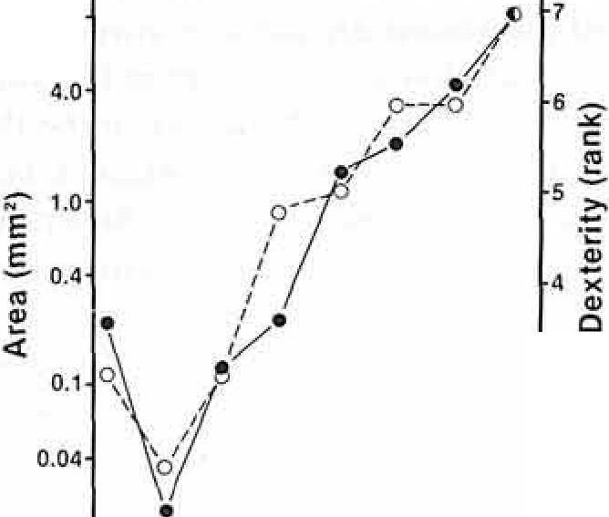 15.0 0•01 ----=2--,-3-4--5--6--7-8_. Phyletic Level Fig. 5. Changes in the area of the pyramidal tract (filled circles) and digital dexterity (open circles) as a function of phyletic level. Note 1haL incre.ase.s in rhe area of the tract parallel improvemems in digital dex­ terity throughout their range. tained without reversals, the high correla­ tions are determined almost entirely by only two points. Thus, despite the high correlations with dexterity (fig. 46-d), the early changes in these three parameters do not help to account for the further im­ provements in dexterity that occurred at higher grades. It is also possible that the limited variation (and, therefore, the lim­ ited explanatory potential) in these param­ eters may be due to their representation here by an ordinal scale. We will return to this point in the discussion. Discussion General Considerations Before turning to a discussion of the re­ sults, it is necessary first to note some im­ portant limitations on the data and meth-

ods. The limitation in the method is the re­ sult of the always arguable relationship of anatomical characters in a series of extant animals to the same characters in the the­ orized sequence of exti net animals making up mankind's ancestral lineage. This prob­ lem is unavoidable and the conclusions must be weakened by readers according to their own analysis of homogenetic versus homoplastic contributions to the struc­ tures u ed here as data. For example, the pyramidal tract has expanded in several Orders of mammals after their divergence from ancestral Insectivores and, therefore, this expansion among mammals is not homogenetic [Heffner and Masterton, 1975]. Nevertheless, a significant expan­ sion of the tract does not seem to have oc­ curred independently within the families of Primates but has occurred among the families and further, this expansion is correlated with propinquity with man­ kind. Thus, this character seems to be homogenetic in Primates even though it is homoplastic in mammals. Each of the characters discussed here can be subjected to the same kind of analysis when more data become available. At present, we can rely only on correlations (and partial correlations) to eliminate those factors which are probably not related to dexteri­ ty, while maintaining a continuous skepti­ cism regarding the factors that are reLiably correlated. Beyond the question of deriving evolu­ tionary conclusions from comparative da­ ta, there are at least three limitations of the data themselves: The first lies in the coarseness of some of the measurements. For example, subtle but important grada­ tions in digital dexterity might be entirely missed by the present scale. Certainly, an |  | interval scale devised from careful behav­ ioral tests would eliminate many inaccura­ cies of approximation based either on anatomy or natural observations alone. Similarly, quantitative measures of the number and the percentage of corticospi­ nal terminals reaching each segment of the spinal cord and each lamina of the spinal cord gray matter might reveal correlations with digital dexterity or phyletic level that may be obscured by the ordinal scales used here. Such precise measures are not presently available, yet their absence might well account for some of the present findings such as the apparent asymptote of the termination parameters beginning at the level of New World monkeys in figure 3. Second, information is still missing on certain important species. Very few ana­ tomical descriptions are available for the pyramidal tracts of Insectivora and Prosi­ miae. These animals represent important grades in man's early ancestry and merit much closer examination. Insectivores in particular, represented here only by hedgehogs, obviously need broader rep­ resentation. 1n addition data on the corti­ cospinal parameters are not complete for all species in the sample and, undoubted­ ly, the statistical analysis would be clearer if this were not so. Finally, a methodological difficulty in­ herent in any correlational analysis is in the determination of cause and effect from statistical correlations. We have attempted to avoid misleading conclusions in several ways. For example, we have applied time constraints - that is, we have considered as possible substrates for dexterity only those anatomical features which showed in­ creases at or before the appearance of im-

